Drop-Down Menus
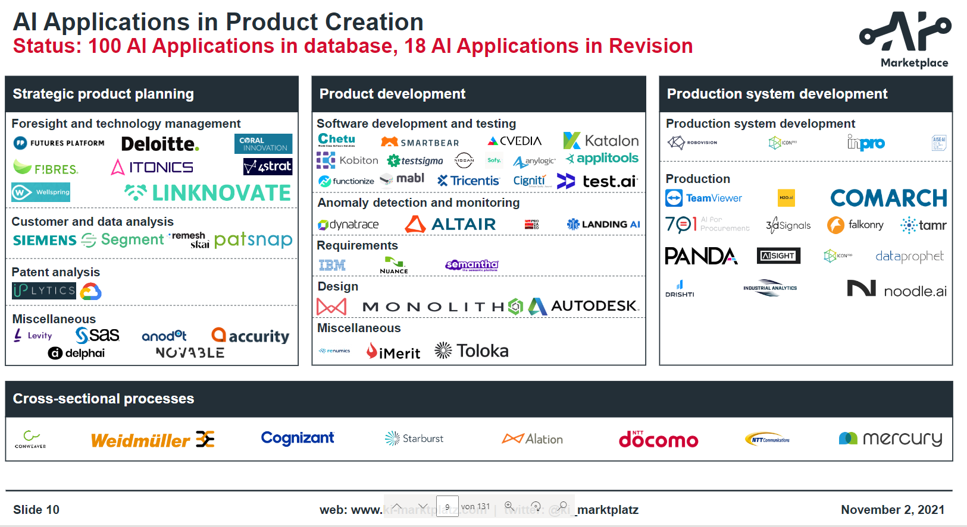
type of offer | type of offer (detailed) | type of offer | AI potential | target group (personas) | Application Domain | product engineering | key benefits | pricing model | Understandability of description/material | Relevance of service/app and fit to the portfolio | Capability of company to offer service/product | quality of app/service
app | training | service | … | product manager | Foresight and technology/trend management | Strategic product planning | tbd | free | 0 | 1 - product engineering | 0 | 0
service | consulting | service |  | project leader | Ideation and Innovation | product development |  | charged - one time payment | 1 | 2 - production | 1 | 1
 | workshops | service |  | requirements manager | Customer (data) analysis | service development |  | charged - frequently/recurring fee |  | 3- AI general
 | contract research | service |  | data scientist | Patent analysis | production systems development |  | charged - usage based |  | 4 - cross sectional processes
 | desktop app | app |  | marketing leader | Software development | cross-sectional-processes |  | charged - individual |  | 5 - not relevant
 | web app | app |  | development engineer | Software testing
 | web service (API) | app |  | technical product designer | Anomaly detection and monitoring
 | source code | app |  | software developer | Requirements
 | module in softwareplatform | app |  | test engineer | Product design
 | contract development/implementation | service |  | quality manager | Production system development
 | SaaS |  |  | production planner | Production / manufacturing
 |  |  |  | competition analyst | AI in general
 |  |  |  | innovation manager | Cross-sectional
 |  |  |  | production controller | Data Management (Cross-sectional)
 |  |  |  | process manager | Predictive Maintenance
 |  |  |  | researcher | AI development/deployment
 |  |  |  | consultant | AI assistance
 |  |  |  | CEO | market and competitor analysis
 |  |  |  | business analyst | simulation
 |  |  |  |  | product testing
 |  |  |  |  | electronic concept development

